Sheet1
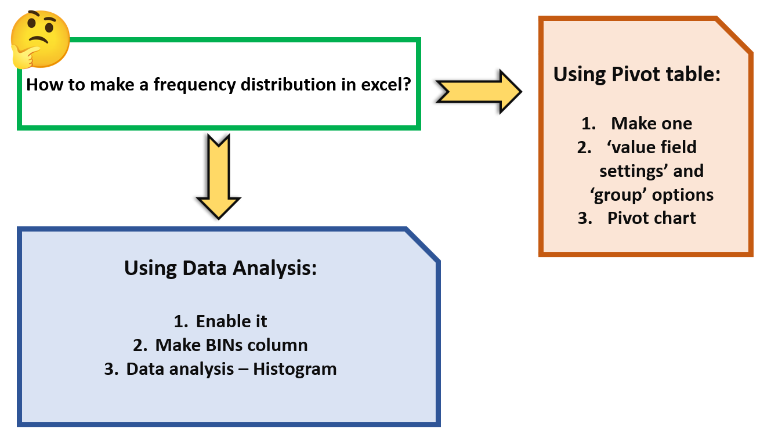

Sheet6
Row Labels | Count of precipitation
200-399 | 3
400-599 | 3
600-799 | 4
800-999 | 4
1000-1199 | 1
Grand Total | 15

Sheet7
Histogram
Bin | Frequency
400 | 3
600 | 3
800 | 4
1000 | 4
1200 | 1
More | 0

Sheet8
Histogram
Bin | Frequency
400 | 4
600 | 3
800 | 4
1000 | 4
1200 | 1
More | 0

